Data
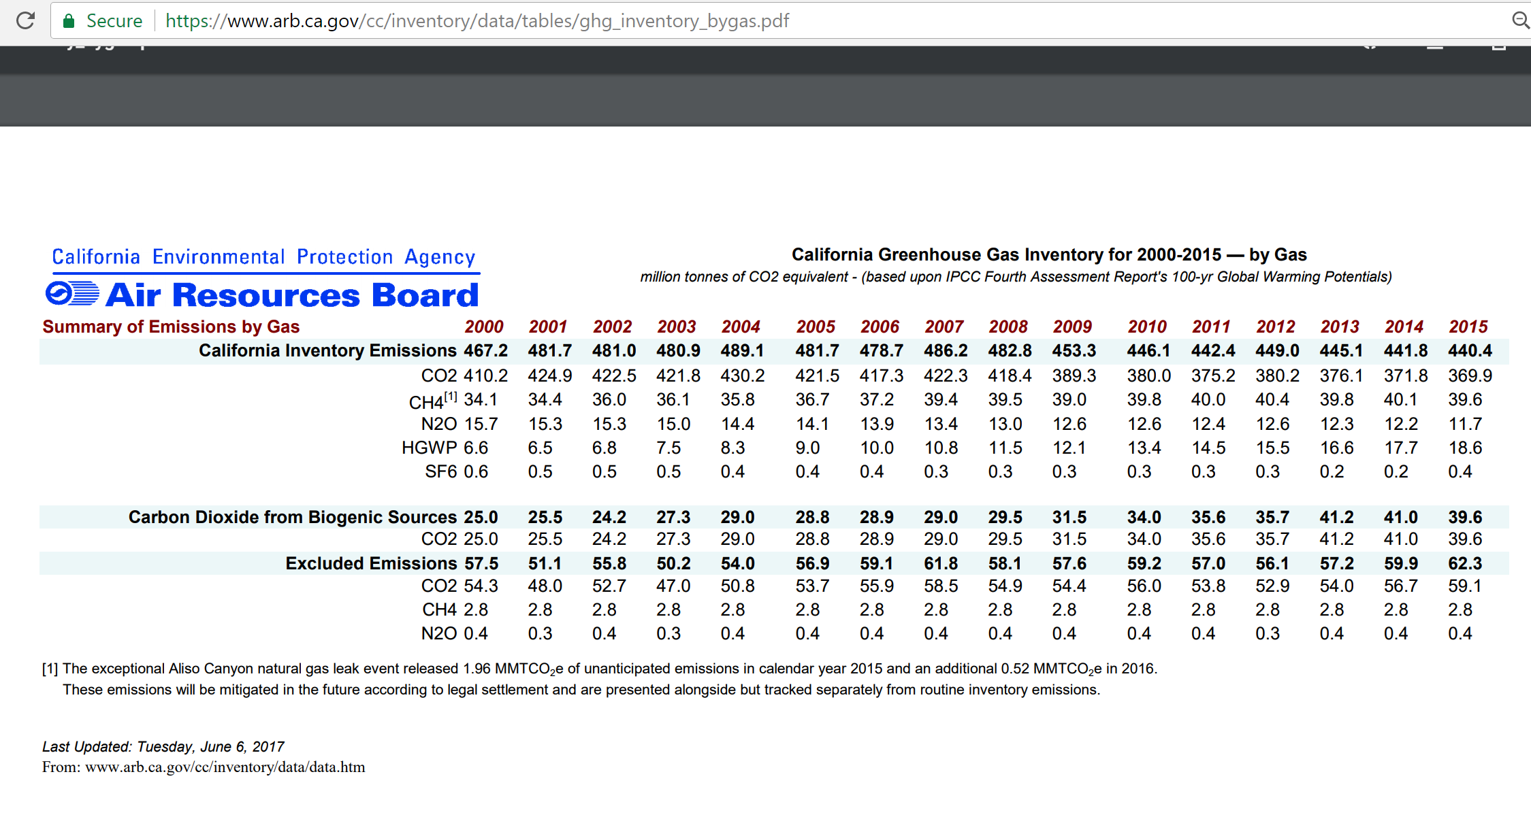
 | 20-Year GWP | 100-Year GWP
CO2 | 1 | 1
VOC | 0 | 0.00
CO | 0 | 0.00
NOx | 0 | 0.00
PM10 | 0 | 0
PM25 | 0 | 0
SOx | 0 | 0
BC | 0 | 0
OC | 0 | 0
CH4 | 72 | 25
N2O | 289 | 298
F gases | 1 | 1

From GREET

AR Edition/Type | AR4/GWP
Time Horizon (YR) | 100 | 20
CO2 | 1 | 1
CH4 | 25 | 72
N2O | 298 | 289

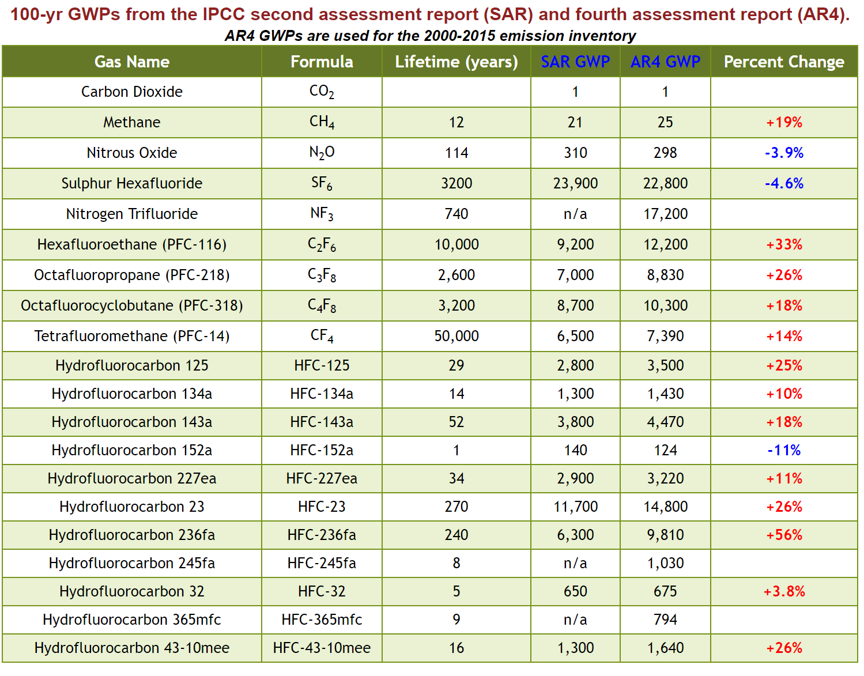

Showing the more limited set of pollutants included in the CA GHG inventory

